1. Title Page
Grocery Basket Analysis

Project Name: Grocery Basket Analysis
Date: September 6, 2022
Analyst Name: Juan Ignacio Galvalisi

Contents:
Population Flow
Consistency checks
Wrangling steps
Column derivations
Visualizations - Part 1
Visualizations - Part 2
Recommendations

Instacart Data Sets Citation
The Instacart Online Grocery Shopping Dataset 2017', Accessed from https://www.instacart.com/datasets/grocery-shopping-2017 on 9/06/2022.

2. Population Flow
Population flow

Exclusion flag
Condition: max_order < 5
Obervations to be removed: 2.884
Final total count of order_products_all: 32.401.975

Orders_products_combined
Orders_products_merged
Orders_products_all

Total: 32.404.859
Total: 32.434.489
Total: 32.404.859

3. Consistency checks
Consistency checks

Dataset | Column | Missing values | Missing values treatment | Duplicates
orders | days_since_prior_order | 206.209 values | Do nothing - It indicates first time customers | N/A
products | product_name | 16 values | Filter these missing values
 |  |  |  | 5 duplicates records were removed
orders_products_prior |  | N/A |  | N/A
customers | first_name | 11.259 values | Do nothing - Name is irrelevant | N/A

4. Wrangling steps
Wrangling steps

Orders
Columns dropped | Columns renamed | Columns' type changed | Comment/Reason
eval_set | - | - | Not necessary for analysis
_merge | - | - | Not necessary for analysis
Unnamed: 0 | - | - | Not necessary for analysis
Unnamed: 0.1 | - | - | Not necessary for analysis
- | order_dow orders_day_of_week | - | To make it clearer and more consistent
- | - | order_number | To 'int8' to reduce size
- | - | orders_day_of_week | To 'int8' to reduce size
- | - | order_hour_of_day | To 'int8' to reduce size
- | - | days_last_order | To 'float16' to reduce size
- | - | order_id | To 'str' because column act as a key
- | - | user_id | To 'str' because column act as a key

Products
Columns dropped | Columns renamed | Columns' type changed | Comment/Reason
- | - | department_id | To 'int8' to reduce size
- | - | aisle_id | To 'str' because column act as a key
- | - | product_id | To 'str' because column act as a key
- | - | prices | To 'float16' to reduce size

Orders products prior
Columns dropped | Columns renamed | Columns' type changed | Comment/Reason
- | - | product_id | To 'str' because column act as a key
- | - | order_id | To 'str' because column act as a key
- | - | reordered | To 'int8' to reduce size
- | - | add_to_cart_order | To 'int16' to reduce size

Customers
Columns dropped | Columns renamed | Columns' type changed | Comment/Reason
- | First Name first_name | - | To make it clearer and more consistent
- | Surnam last_name | - | To make it clearer and more consistent
- | STATE state | - | To make it clearer and more consistent
- | Gender gender | - | To make it clearer and more consistent
- | Age age | - | To make it clearer and more consistent
- | n_dependants number_of_dependants | - | To make it more understandable
- | fam_status marital_status | - | To make it clearer and more consistent
- | - | age | To 'int8' to reduce size
first_name | - | - | Personally identifiable information concerns
last_name | - | - | Personally identifiable information concerns

5. Column derivations
Column derivations and aggregations

Dataset | New column | Column/s it was derived from | Comment/Reason | Conditions
df_ords | busiest_day | order_day_of_week | Busiest day is day 0, least busy is day 4, rest are regularly busy. | - orders <= 1: 'Busiest days' - orders between 2 and 3: 'Regular days' - orders >= 4: 'Least busy'
df_ords | busiest_period_of_day | order_hour_of_day | To create time ranges during the day. | - orders >= 9 & <= 16: 'Most orders' - orders >= 0 & <= 6: 'Fewest orders' - orders (>= 7 & <= 8) & (>= 17 & <= 23): 'Average orders'
ords_prods_merged | max_order | order_number | To establish the max number of orders by user. | First, group by user and, then, find the total order number they've made.
ords_prods_merged | customer_activity | user_id + total_orders | To separate customers with more than 5 orders. | - orders < 5: 'Low activity' (customers are excluded) - orders >= 5: 'Normal activity'
ords_prods_merged | outlier_prices | prices | To find outliers within the prices column. | - prices != 99999: 'Not outlier' - prices != 14900: 'Not outlier' - prices == 99999: 'Outlier' - prices == 14900: 'Outlier'
ords_prods_merged | loyalty_flag | max_order | To group customers based on number of orders. | - > 40 orders: 'Loyal Customer' - between 10 and 40 orders: 'Regular Customer' - <= 10 orders: 'New Customer'
ords_prods_merged | mean_user_spending | user_id + prices | To find average price for all purchased products by customer. | Group by customer and then take the mean value for each customer
ords_prods_merged | spender_flag | mean_user_spending | Check if a customer has spent less or more than $10 based on the average of their total orders. | - mean_price < 10: 'Low spender' - mean_price >= 10: 'High spender'
ords_prods_merged | order_frequency_median | user_id + days_last_order | Search the regularity of a user’s ordering behavior according to the median in the 'days_last_order' column. | First, group by user and order number to obtain days in between. Then, take the median value for each customer
ords_prods_merged | order_frequency_flag | order_frequency_median | Created 3 different groups based on the frequency of orders. | - median > 20: 'Non-frequent customer' - median > 10 & <= 20: 'Regular customer' - median <= 10:0 'Frequent customer'
df_merged | price_range | prices | To perform price ranges of products. | - price > 15: 'High-range product' - price between 5 and 15: 'Mid-range product' - price <= 5: 'Low-range product'
df_merged | region | state | To set which region the customer resides in. | - Northeast = ['Maine', 'New Hampshire', 'Vermont', 'Massachusetts', 'Rhode Island', 'Connecticut', 'New York', 'Pennsylvania', 'New Jersey'] - Midwest = ['Wisconsin', 'Michigan', 'Illinois', 'Indiana', 'Ohio', 'North Dakota', 'South Dakota', 'Nebraska', 'Kansas', 'Minnesota', 'Iowa', 'Missouri'] - South = ['Delaware', 'Maryland', 'District of Columbia', 'Virginia', 'West Virginia', 'North Carolina', 'South Carolina', 'Georgia', 'Florida', 'Kentucky', 'Tennessee', 'Mississippi', 'Alabama', 'Oklahoma', 'Texas', 'Arkansas', 'Louisiana'] - West = ['Idaho', 'Montana', 'Wyoming', 'Nevada', 'Utah', 'Colorado', 'Arizona', 'New Mexico', 'Alaska', 'Washington', 'Oregon', 'California', 'Hawaii']
df_merged | age_group | age | To develop 4 age ranges. | - age >= 18 & <= 25: 'Young' - age > 25 & <= 40: 'Young adult' - age > 40 & <= 64: 'Adult' - age > 65: 'Senior'
df_merged | income_range | income | To perform income ranges. | - income <= 52200: 'Low income' - income > 52200 & <= 156600: 'Middle income' - income > 156600: 'High income'
df_merged | dependents_status | number_of_dependents | To establish if a customer has or has not a dependent in his charge. | - customer's dependents >= 1: 'With dependents' - customer's dependents == 0: 'No dependents'
df_merged | pet_status | department + user_id | To determine whether or not a customer has purchased pet products. | - purchases of pet products >= 1: 'Consumer of pet products' - purchases of pet products == 0: 'Non-consumer of pet products'
df_merged | alcohol_status | department + user_id | To determine whether or not a customer has purchased alcohol products. | - purchases of alcohol products >= 1: 'Consumer of alcohol' - purchases of alcohol products == 0: 'Non-consumer of alcohol'
df_merged | baby_status | department + user_id | To determine whether or not a customer has purchased baby products. | - purchases of baby products >= 1: 'Consumer of baby products' - purchases of baby products == 0: 'Non-consumer of baby products'
df_merged | personal_care_status | department + user_id | To determine whether or not a customer has purchased personal care products. | - purchases of personal care products >= 1: 'Consumer of personal care products' - purchases of personal care products == 0: 'Non-consumer of personal care products'

6. Visualizations - Part 1
Recommendations - Part 1

Part 1
Questions
Recommendations

Key Question 1 |  |  | The sales team needs to know what the busiest days of the week and hours of the day are (i.e., the days
 |  |  | and times with the most orders) in order to schedule ads at times when there are fewer orders.

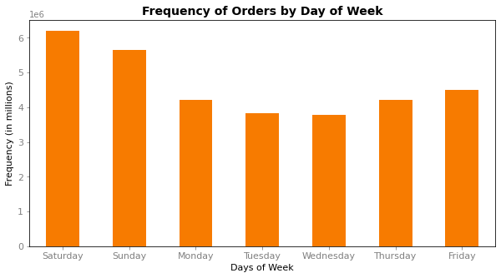
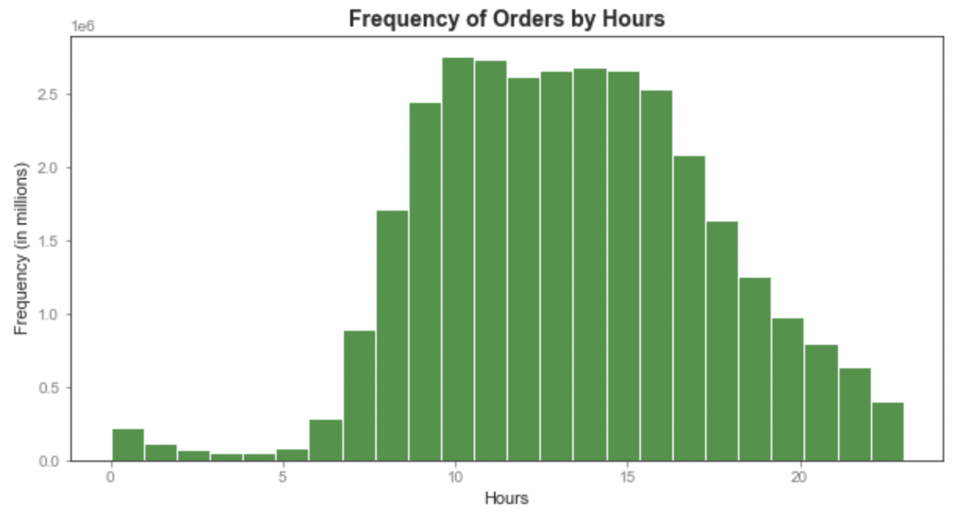
 |  |  |  |  |  |  | 1) In order to increase sales when Instacart is least busy, it is recommended to schedule
 |  |  |  |  |  |  | ads on Tuesdays and Wednesdays from 9 pm to 7 am.

 | - The bar chart shows the order frequency for every day of the week. |  |  |  | - The histogram displays the customer's activity according to the 24 hours scheme.

 | - The days of the week are displayed from Saturday to Friday. |  |  |  | - The frequency numbers on the y-axis are established for each hour in millions.

 | - The weekend (Friday, Saturday, and Sunday) is the most popular time, with |  |  |  | - From 9 to 16 are the most active hours and from 10 to 11 represent the top hours
 | Saturday as the busiest day for orders. |  |  |  | for performed orders.

 | - Tuesdays and Wednesdays are the least busy days for orders.

Key Question 2 |  |  | They also want to know whether there are particular times of the day when people spend
 |  |  | the most money, as this might inform the type of products they advertise at these times.

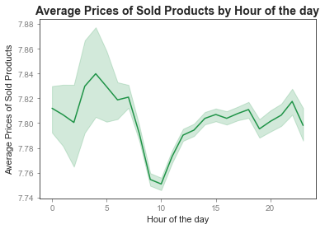
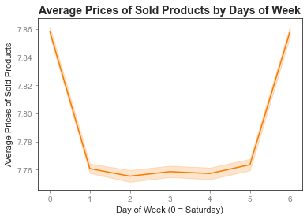
 |  |  |  |  |  |  | 1) Looking at what is advertised around 10 am on weekdays is recommended. If there
 |  |  |  |  |  |  | are no ads set up, that may be an excellent time to start scheduling them since that is the
 |  |  |  |  |  |  | time when prices are lowest during the weekdays.

 |  |  |  |  |  |  | 2) Higher-priced products could be advertised during the night, between 12 and 7 am.

 | - This line chart shows the mean price of goods purchased for each |  |  | - This line chart displays the mean price of goods purchased according to the
 | hour of the day. |  |  | seven days of the week.

 | - The most expensive products are purchased at night, between |  |  | - Fridays and Saturdays represent the days with the highest average product
 | 4 and 7 am. |  |  | prices.

Key Question 3 |  |  | Instacart has a lot of products with different price tags. Marketing and sales
 |  |  | want to use simpler price range groupings to help direct their efforts.

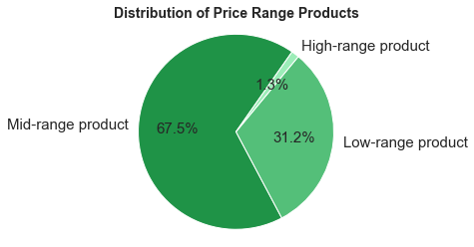

 |  |  |  | - The pie chart shows the distribution of purchases made by product price range. |  |  | 1) Keeping prices in mid-range or low-range for customers is recommended since they
 |  |  |  |  |  |  | account for the largest share of products sold.
 |  |  |  |  | Description of Range Prices:
 |  |  |  |  | - Low-range products: | <= $5 | 2) In order to increase the orders placed, it might be useful to check if it is possible to
 |  |  |  |  | - Mid-range products: | <= $15 & > $5 | rearrange the higher prices, thus bringing them to a mid-price range (from $ 14 down).
 |  |  |  |  | - High-range products: | > $15

 |  |  |  | - Mid-range products are the most popular products, while high-range products
 |  |  |  | are the least popular products.

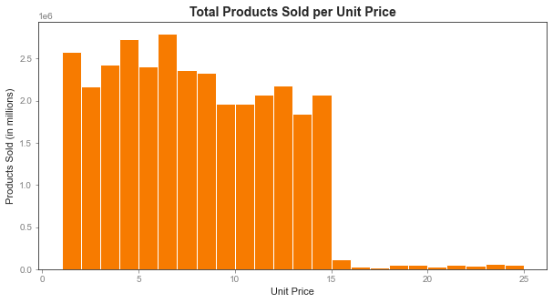

 |  |  |  |  | - As a complement to the previous pie chart, this bar chart shows a breakdown
 |  |  |  |  | by the purchase price.

 |  |  |  |  | - Products priced around $1, $4, and $6 are the best sellers within Instacart.
 |  |  |  |  | At $15 and above, there is a sharp drop in purchases.

Key Question 4 |  |  | Are there certain types of products that are more popular than others? The marketing and sales
 |  |  | teams want to know which departments have the highest frequency of product orders.

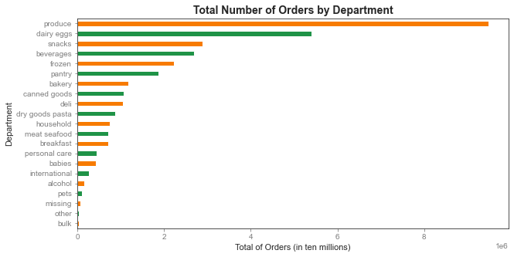

 |  |  |  |  |  |  | 1) It is recommended to carry out ads focused on the products at the bottom, such as
 |  |  |  |  |  |  | bulk, pets, and alcohol, with the aim of increasing the total number of orders of these
 |  |  |  |  |  |  | departments.

 |  | - This bar chart shows the number of products ordered based on each department.

 |  | - Produce products are first with almost 10 million orders, followed by dairy eggs with nearly 5 million. Completing the top 5
 |  | in the total number of orders per department are snacks, beverages, and frozen products.

 |  | - The fewest number of orders come from the bulk department.

6. Visualizations - Part 2
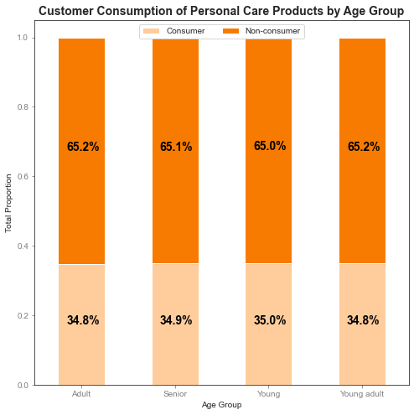
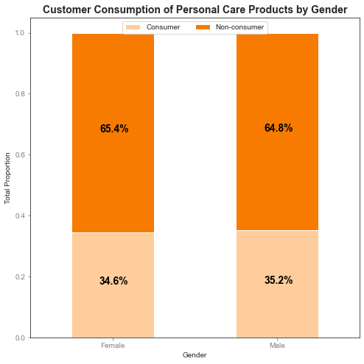
Recommendations - Part 2

Part 1
Questions
Recommendations

Key Question 5 |  |  | The marketing and sales teams are particularly interested in the different types of
 |  |  | customers in their system and how their ordering behaviors differ. For example:
I) |  |  | What’s the distribution among users in regards to their brand loyalty (i.e., how often do they return to Instacart)?

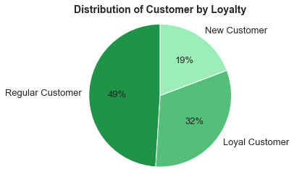
 |  |  |  |  |  |  |  |  |  | 1) Carry out marketing campaigns with ads to attract new customers and
 |  |  |  |  | Description of Customer Loyalty: |  |  |  |  | increase future sales.
 |  |  |  |  | - Loyal Customer: |  | Over 40 orders
 |  |  |  |  | - Regular Customer: |  | Between 10-40 orders |  |  | 2) Develop a reward system for loyal customers. This will encourage sales not
 |  |  |  |  | - New Customer: |  | Less than 10 orders |  |  | only from loyal customers, but also make it more attractive for regular customers
 |  |  |  |  |  |  |  |  |  | to make purchases.

 |  |  |  |  | - Regular customers order the most representing half the total (49%).

 |  |  |  |  | - Loyal customers are a third of the total (31%).

 |  |  |  |  | - New customers order the least amount of orders (19%).

II) |  |  | Are there differences in ordering habits based on a customer’s loyalty status?

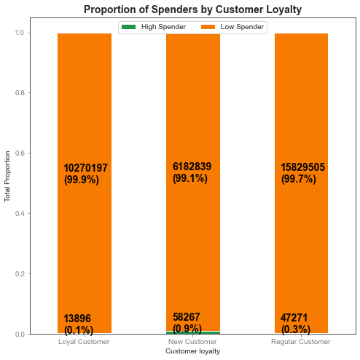

 |  |  |  |  |  |  |  |  |  | 1) It is recommended to carry on adds on new possible customers based on
 |  |  |  |  |  |  |  |  |  | products with different prices, with particular emphasis on products with higher
 |  |  |  |  |  |  |  |  |  | prices.
 |  |  |  |  |  | - This graph shows the proportion of customers by loyalty groups who spend
 |  |  |  |  |  | up to or less than $10 on average. |  |  |  | 2) Implement campaigns on less busy days to increase the orders made by new
 |  |  |  |  |  |  |  |  |  | customers to enhance their order frequency.
 |  |  |  |  |  | Description of Spender Type:
 |  |  |  |  |  | - Loyal Spender: |  | Less than $10
 |  |  |  |  |  | - High Spender: |  | More than or equal to $10

 |  |  |  |  |  | - New customers are proportionally more likely to be consumers of products
 |  |  |  |  |  | with higher prices than regular or loyal customers.

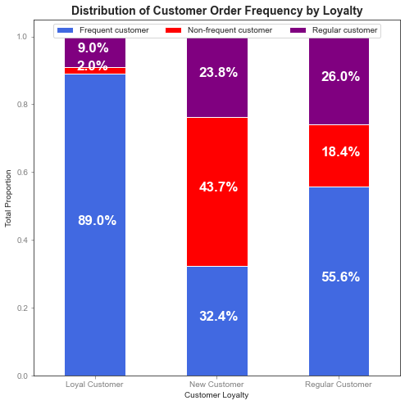

 |  |  |  |  |  | - The chart on the left shows the distribution of customers according to the
 |  |  |  |  |  | frequency of their orders (frequent customers, non-frequent customers, or
 |  |  |  |  |  | regular customers), based on the loyalty standards that indicate whether
 |  |  |  |  |  | they are loyal customers, regular customers, or new customers.

 |  |  |  |  |  | - Loyal customers have the highest proportion of frequent customers and the
 |  |  |  |  |  | minor proportion of non-frequent and regular customers. Loyal customers are,
 |  |  |  |  |  | in general, frequent customers.

 |  |  |  |  |  | - New customers have the highest proportion of non-frequent customers and
 |  |  |  |  |  | the fewest proportion of frequent customers. That means new customers are
 |  |  |  |  |  | non-frequent, at least at the first time.

 |  |  |  |  |  | - More than half of the regular customers are frequent customers, and the fewest
 |  |  |  |  |  | proportion represents non-frequent customers.

III) |  |  | Are there differences in ordering habits based on a customer’s region?

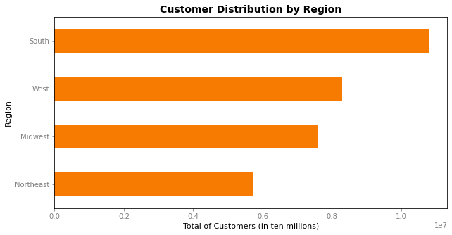
 |  |  |  |  |  |  |  |  |  | 1) Focus ads in the Northeast states, followed by the Midwest and West states
 |  |  |  |  |  |  |  |  |  | to a lesser extent, in order to acquire more customers could improve the total
 |  |  |  |  |  | - This bar chart shows the distribution of customers by region. |  |  |  | number of sales.

 |  |  |  |  |  | - South states have the most number of customers.

 |  |  |  |  |  | - Northeast states have the least number of customers.

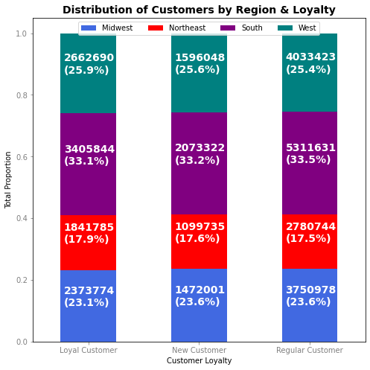

 |  |  |  |  |  | - This 100% stacked bar chart shows the distribution of customers
 |  |  |  |  |  | by loyalty status and region.

 |  |  |  |  |  | - The numbers of the four regions remain static, without major
 |  |  |  |  |  | oscillations.

 |  |  |  |  |  | - Regardless of demographic differences, the proportional trend in
 |  |  |  |  |  | customer loyalty holds from state to state.

IV) |  |  | Is there a connection between age and family status in terms of ordering habits?

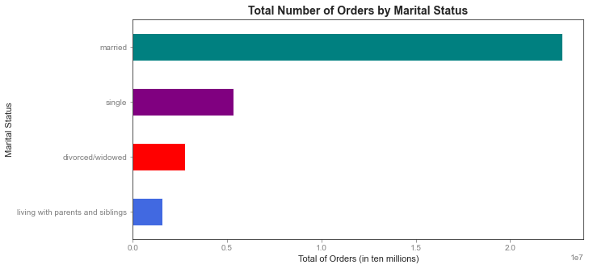
 |  |  |  |  |  |  |  |  |  | 1) Since our young customers are the fewest in our age groups, performing ads
 |  |  |  |  |  |  |  |  |  | and campaigns focused on young customers is recommended to increase the
 |  |  |  |  |  |  |  |  |  | total number of customers and subsequently the orders placed.
 |  |  |  |  |  |  | - This chart shows the total number of orders per customer's marital
 |  |  |  |  |  |  | status.

 |  |  |  |  |  |  | - Married customers make the most orders, while the fewest orders
 |  |  |  |  |  |  | are made by customers living with parents and siblings.

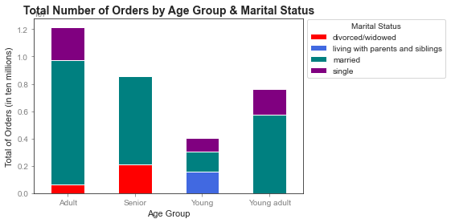

 |  |  |  |  |  |  |  | - Additionally, the chart above displays the total number of
 |  |  |  |  |  |  |  | orders by each age group, further broken down by marital
 |  |  |  |  |  |  |  | status.

 |  |  |  |  |  |  |  | Description of Age Groups:
 |  |  |  |  |  |  |  | - Young: | >= 18 & <= 25
 |  |  |  |  |  |  |  | - Young adult: | > 25 & <= 40
 |  |  |  |  |  |  |  | - Adult: | > 40 & <= 64
 |  |  |  |  |  |  |  | - Senior: | >= 65

 | - Adult customers (between 41 and 64) made the highest number of orders.

 | - The orders made by customers living with parents and siblings are made by young people (between 18 and 25).

 | - Adults (between 40 and 64) and seniors (above 65) perform all the divorced/widowed orders.

 | - There are no single seniors, neither young nor young adults divorced/widowed.

V) |  |  | What different classifications does the demographic information suggest? Age? Income? Certain types of goods? Family status?

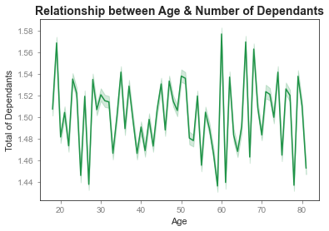
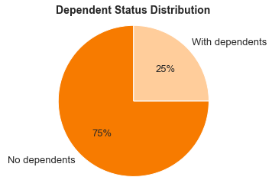
a)
Number of Dependents |  |  |  |  |  |  |  |  |  | 1) We cannot establish a relationship between the age of our customers and
 |  |  |  |  |  |  |  |  |  | the number of dependents.

 |  |  | - This line chart shows the relationship between the customer's age along the x-axis and the number of dependants in each family (y-axis).

 |  |  | - We cannot establish a relationship between the age of our customers and the number of dependents.

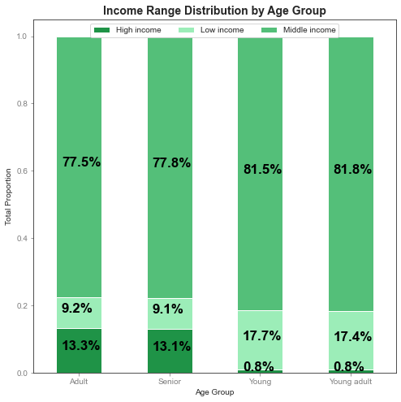
b)
Age_group vs. Income
 |  |  |  |  |  |  |  |  |  | 1) It is recommended to join low-price products with customers within the Young
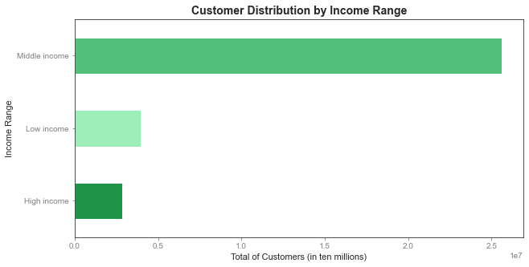
 |  |  |  |  |  |  |  |  |  | (>= 18 & <= 25) and Young adult (> 25 & <= 40) groups, simultaneously, to join
 |  |  |  |  |  |  |  |  |  | higher-priced items with older customers.

 |  |  |  |  |  |  |  |  |  | 2) At the same time, join high-price products with our oldest customers within
 |  |  |  |  |  |  |  |  |  | the Adult (> 40 & <= 64) and Senior (>= 65) groups.

 |  | Description of Income Range:
 |  | - Low income: |  | <= $52.200
 |  | - Middle income: |  | > $52.200 & <= $156.600
 |  | - High income: |  | > $156.600

 | - Middle incomes represent the most common income and are evenly distributed across all
 | age groups, while high incomes are the least populous income range.

 | - Less than 1% of the Young and Young adult groups have customers with high incomes.

 | - Adults and Seniors have the lowest percentage of low income, while Young and Young
 | adults have the most significant portion of members with low income.

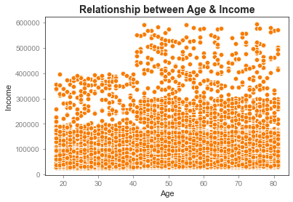

 |  |  |  |  |  | - The bulk of consumers is within the earnings of up to $200.000, atomized from
 |  |  |  |  |  | 18 to 81 years.

 |  |  |  |  |  | - There is a concentration of customers from 40 to 81 years old with earnings
 |  |  |  |  |  | ranging from $200.000 to $300.000.

 |  |  |  |  |  | - Two minority groups differ from the majority. People between 18 and 40 years old
 |  |  |  |  |  | who earn $400.000 and people between 40 and 81 years old who earn between
 |  |  |  |  |  | $300.000 and $600.000.

 |  |  |  |  |  | - The oldest customers possess the highest income, although they are a minority.

 |  |  |  |  |  | - The youngest customers have the lowest income.

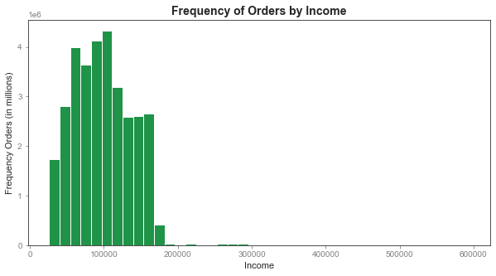

 |  |  |  |  |  |  | - This histogram shows the frequency of orders regarding the income
 |  |  |  |  |  |  | of our customers.

 |  |  |  |  |  |  | - Most of the orders are placed by customers who earn up to $200.000.

 |  |  |  |  |  |  | - As income goes up, orders placed go down.

VI) |  |  | What differences can you find in ordering habits of different customer profiles? Consider the price of orders, the frequency of orders,
 |  |  | the products customers are ordering, and anything else you can think of.

a)
Pet Consumers

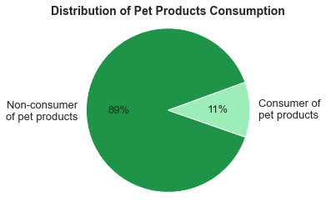

 |  |  |  |  | - Non-consumers of pet products represent the majority of the total with |  |  |  |  | We analyzed here four different goods according to the following categories: pets,
 |  |  |  |  | approximately 89%, while customers with a record in pet products are 11%. |  |  |  |  | alcohol, babies, and personal care. We carry out a detail which proportion of our
 |  |  |  |  |  |  |  |  |  | customers had done, at least once, a purchase in these groups. Moreover, we tried
 |  |  |  |  | - There are no major differences between age group and gender. |  |  |  |  | to find insights within our age groups and gender.

 |  |  |  |  | - Senior age group has the highest consumption proportion, while |  |  |  |  | In this sense, we recommend focusing advertising efforts on those customers
 |  |  |  |  | the adult group has the fewest. |  |  |  |  | who have already consumed this type of goods. According to their purchase
 |  |  |  |  |  |  |  |  |  | record, we can think that they will repurchase goods within a specific category.

 |  |  |  |  |  |  |  |  |  | In other words, there is a tendency for repeat purchases based on the fact that
 |  |  |  |  |  |  |  |  |  | a consumer will buy goods that he or she has already purchased in the past.

 |  |  |  |  |  |  |  |  |  | This strategy could be extended to other departments where sales are below
 |  |  |  |  |  |  |  |  |  | expectations.
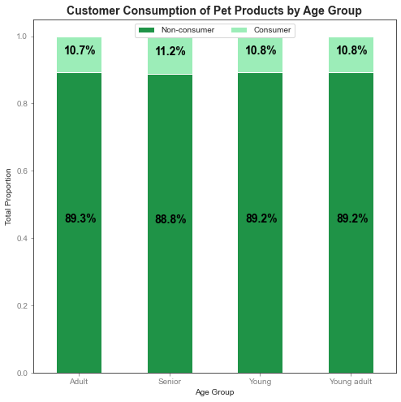
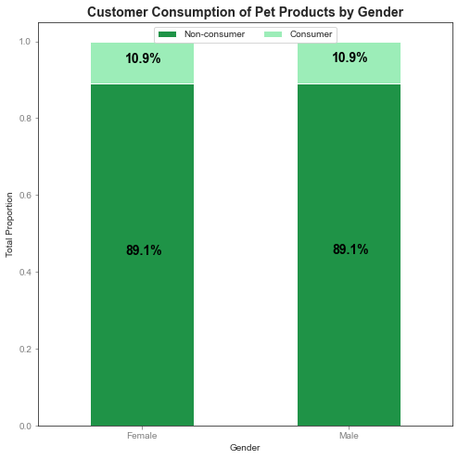

b)
Alcohol Consumers

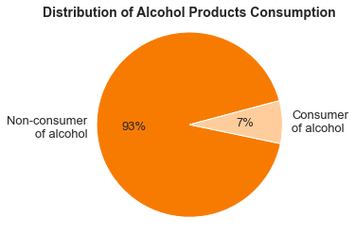

 |  |  |  |  | - Non-consumers of alcohol products represent the majority of the total, with
 |  |  |  |  | approximately 93%.

 |  |  |  |  | - There are no significant differences between age group and gender. 0,5% more women
 |  |  |  |  | have ever consumed alcohol on Instacart than men.

 |  |  |  |  | - Adult and Young age groups have the highest consumption proportion, while
 |  |  |  |  | the Senior group has the fewest.

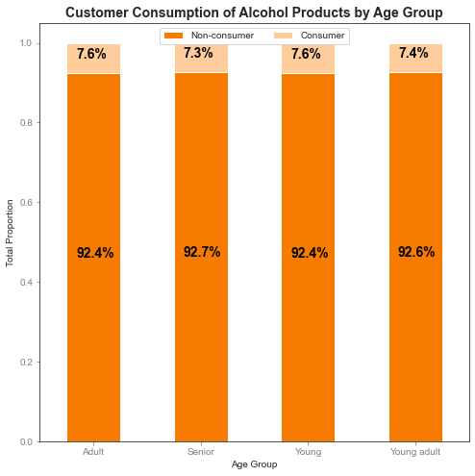
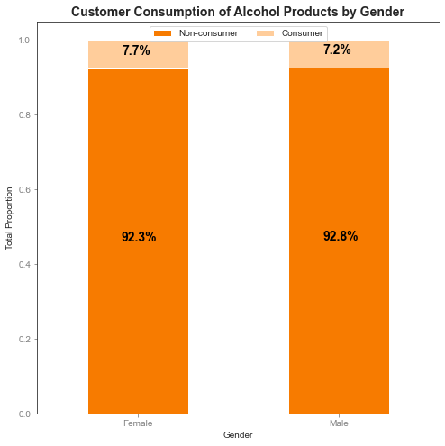

c)
Baby Products Consumers

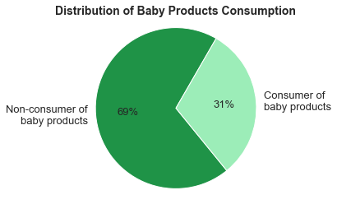
 |  |  |  |  | - Non-consumers of baby products represent the majority of the total with approximately
 |  |  |  |  | 69%, while customers with at least one order of baby products are 31%.

 |  |  |  |  | - There are no major differences between age group and gender.

 |  |  |  |  | - The adult group has the highest proportion of consumption, while the Senior and
 |  |  |  |  | Young groups have the fewest.

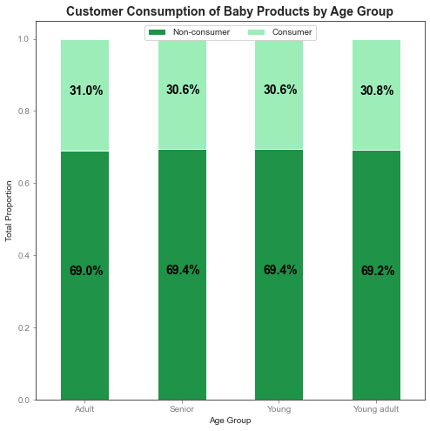
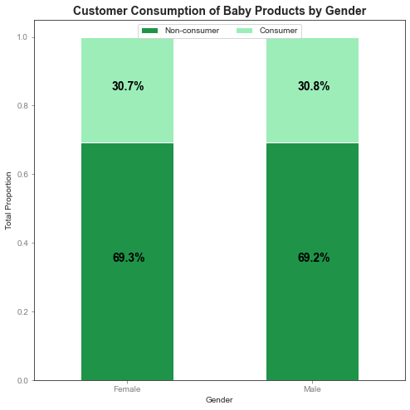

d)
Personal Care Products Consumers

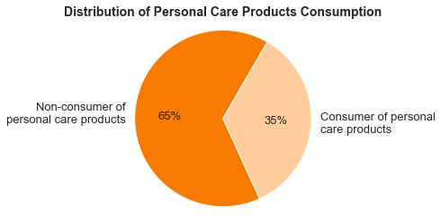
 |  |  |  |  | - Non-consumers of personal care products represent the majority of the total with
 |  |  |  |  | approximately 65%, while baby product consumers are 35%.

 |  |  |  |  | - There are no substantial differences between age group and gender. 0,4% more men
 |  |  |  |  | have ever consumed personal care products in Instacart than women.

 |  |  |  |  | - Adult and Young adult age groups have the highest proportion of consumption,
 |  |  |  |  | while the Senior group has the fewest.

7. Recommendations
Recommendations

Question | Answer
Key Question 1 | 1) In order to increase sales when Instacart is least busy, it is recommended to schedule ads on Tuesdays and Wednesdays from 9 pm to 7 am.
Key Question 2 | 1) Looking at what is advertised around 10 am on weekdays is recommended. If there are no ads set up, that may be an excellent time to start
 | scheduling them since that is the time when prices are lowest during the weekdays.
 | 2) Higher-priced products could be advertised during the night, between 12 and 7 am.
Key Question 3 | 1) Keeping prices in mid-range or low-range for customers is recommended since they account for the largest share of products sold.
 | 2) In order to increase the orders placed, it might be useful to check if it is possible to rearrange the higher prices, thus bringing them to a
 | mid-price range (from $14 down).
Key Question 4 | 1) It is recommended to carry out ads focused on the products at the bottom, such as bulk, pets, and alcohol, with the aim of increasing the total
 | number of orders of these departments.
Key Question 5 - I) | 1) Carry out marketing campaigns with ads to attract new customers and increase future sales.
 | 2) Develop a reward system for loyal customers. This will encourage sales not only from loyal customers, but also make it more attractive for
 | regular customers to make purchases.
Key Question 5 - II) | 1) It is recommended to carry on adds on new possible customers based on products with different prices, with particular emphasis on products
 | with higher prices.
 | 2) Implement campaigns on less busy days to increase the orders made by new customers to enhance their order frequency.
Key Question 5 - III) | 1) Focus ads in the Northeast states, followed by the Midwest and West states to a lesser extent, in order to acquire more customers could
 | improve the total number of sales.
Key Question 5 - IV) | 1) Since our young customers are the fewest in our age groups, performing ads and campaigns focused on young customers is recommended to
 | increase the total number of customers and subsequently the orders placed.
Key Question 5 - V) - a) | 1) We cannot establish a relationship between the age of our customers and the number of dependents.
Key Question 5 - V) - b) | 1) It is recommended to join low-price products with customers within the Young (>= 18 & <= 25) and Young adult (> 25 & <= 40) groups,
 | simultaneously, to join higher-priced items with older customers.
 | 2) At the same time, join high-price products with our oldest customers within the Adult (> 40 & <= 64) and Senior (>= 65) groups. These actions
 | can increase the number of orders and boost revenue.
Key Question 5 - V) | We analyzed here four different goods according to the following categories: pets, alcohol, babies, and personal care. We carry out a detail which
 | proportion of our customers had done, at least once, a purchase in these groups. Moreover, we tried to find insights within our age groups and
 | gender.
 | In this sense, we recommend focusing advertising efforts on those customers who have already consumed this type of goods. According to their
 | purchase history, we can think that they will repurchase goods within a specific category.
 | In other words, there is a tendency for repeat purchases based on the fact that a consumer will buy goods that he or she has already purchased in
 | the past.
 | This strategy could be extended to other departments where sales are below expectations.

